Sheet 1
Industrial Designs has been awarded a contract to design a label for a new wine produced by Lake View Winery. The company estimates that 110 hours will be required to complete the project. The firm's three graphic designers available for assignment to this project are Lisa, a senior designer and team leader; David, a senior designer; and Sarah, a junior designer. Because Lisa has worked on several projects for Lake View Winery, management specified that Lisa must be assigned at least 40% of the total number of hours assigned to the two senior designers. To provide label designing experience for Sarah, the junior designer must be assigned at least 15% of the total project time. However, the number of hours assigned to Sarah must not exceed 25% of the total number of hours assigned to the two senior designers. Due to other project commitments, Lisa has a maximum of 50 hours available to work on this project. Hourly wage rates are $30 for Lisa, $25 for David, and $18 for Sarah.
(a)
Formulate a linear program that can be used to determine the number of hours each graphic designer should be assigned to the project to minimize total cost (in dollars). (Assume L is the number of hours Lisa is assigned to the project, D is the number of hours David is assigned to the project, and S is the number of hours Sarah is assigned to the project.)
Min
Industrial Designs

Lisa | $30
David | $25
Sara | $18
Total hours | 110

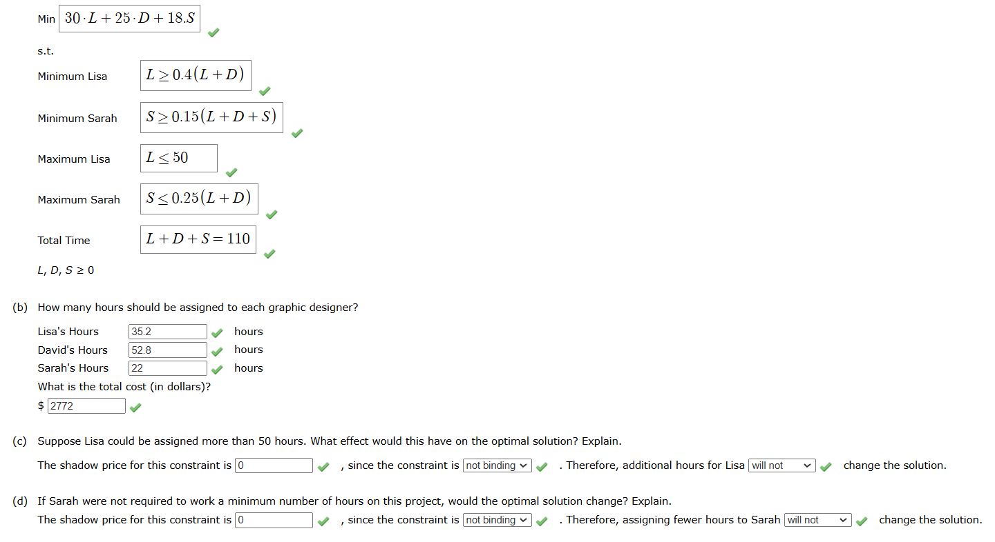
Model
Hours for Lisa | 35.2
Hours for David | 52.8
Hours for Sara | 22
Total Cost(min) | 2772

Contraints

Hours for Lisa | 35.2 | ≥ | 35.2
Hours for Lisa | 35.2 | ≤ | 50
Hours for Sara | 22 | ≥ | 16.5
Hours for Sara | 22 | ≤ | 22
Total Hours | 110 | = | 110

